CENTRAL
Parliamentary Constituency General
- Party wise vote count & vote share

PARTY WISE VOTE COUNT
 | Total
All India Trinamool Congress - AITC | 29
Bharatiya Janata Party - BJP | 240
Dravida Munnetra Kazhagam - DMK | 22
Indian National Congress - INC | 99
Janata Dal (United) - JD(U) | 12
Samajwadi Party - SP | 37
Shiv Sena (Uddhav Balasaheb Thackrey) - SHSUBT | 9
Telugu Desam - TDP | 16
PARTY WISE VOTE SHARE
 | Total
All India Trinamool Congress - AITC | 4.37%
Bharatiya Janata Party - BJP | 36.56%
Dravida Munnetra Kazhagam - DMK | 1.82%
Indian National Congress - INC | 21.19%
Janata Dal (United) - JD(U) | 1.25%
Samajwadi Party - SP | 4.58%
Shiv Sena (Uddhav Balasaheb Thackrey) - SHSUBT | 1.48%
Telugu Desam - TDP | 1.98%

AP DASHBOARD
ANDHRAPRADESH - PARTY WISE VOTE SHARE (MLA&MP)

Andhrapradesh-party wise vote count(MLA)
 | Total
Bharatiya Janata Party - BJP | 8
Janasena Party - JnP | 21
Telugu desam party | 135
Yuvajana Sramika Rythu Congress Party - YSRCP | 11
Andhrapradesh-party wise vote count(MP)
 | Total
Bharatiya Janata Party - BJP | 3
Janasena Party - JnP | 2
Telugu desam party | 16
Yuvajana Sramika Rythu Congress Party - YSRCP | 4

Andhrapradesh-party wise vote share(MLA)
 | Total
Bharatiya Janata Party - BJP | 2.83%
Janasena Party - JnP | 8.53%
Telugu desam party | 45.60%
Yuvajana Sramika Rythu Congress Party - YSRCP | 39.37%
Andhrapradesh-party wise vote share(MP)
 | Total
Bharatiya Janata Party - BJP | 11.28%
Janasena Party - JnP | 6.33%
Telugu desam party | 37.79%
Yuvajana Sramika Rythu Congress Party - YSRCP | 39.61%

best performers of AP
TOP 10 OF MLA CANDIDATES VIA MARGIN
 | Total
ADIREDDY SRINIVAS | 71404
ARIMILLI RADHA KRISHNA | 72121
GANTA SRINIVASA RAO | 92401
KONIDALA PAWAN KALYAN | 70279
NARA LOKESH | 91413
NARAYANA PONGURU | 72489
PALLA SRINIVAS RAO | 95235
PANCHAKARLA RAMESH BABU | 81870
PANTAM VENKATESWARA RAO | 72040
RAMAKRISHNA BABU VELAGAPUDI | 70877

BEST PERFORMERS IN ANDHRA PRADESH
TOP 14 OF MP CANDIDATES VIA MARGIN
 | Total
APPALANAIDU KALISETTI | 249351
BALASHOWRY VALLABHANENI | 223179
BHUPATHI RAJU SRINIVASA VARMA | 276802
C.M.RAMESH | 296530
DAGGUBATI PURANDHESHWARI | 239139
DAGGUMALLA PRASADA RAO | 220479
DR CHANDRA SEKHAR PEMMASANI | 344695
G M HARISH | 342196
KESINENI SIVANATH | 282085
KINJARAPU RAMMOHAN NAIDU | 327901
KRISHNA PRASAD TENNETI | 208031
PRABHAKAR REDDY VEMIREDDY | 245902
SRIBHARAT MATHUKUMILI | 504247
TANGELLA UDAY SRINIVAS | 229491

ODHISA
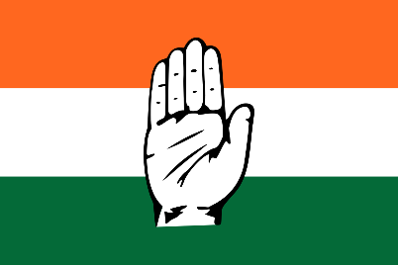
ODISHA - PARTY WISE VOTE SHARE (MLA&MP)

Odisha -party wise vote count(MP)
 | Total
Bharatiya Janata Party - BJP | 20
Biju Janata Dal - BJD | 0
Communist Party of India (Marxist) - CPI(M) | 0
Independent - IND | 0
Indian National Congress - INC | 1
Odisha -party wise vote count(MLA)
 | Total
Bharatiya Janata Party - BJP | 78
Biju Janata Dal - BJD | 51
Communist Party of India (Marxist) - CPI(M) | 1
Independent - IND | 3
Indian National Congress - INC | 14

Odisha-party wise vote share(MP)
 | Total
Bharatiya Janata Party - BJP | 0.4534
Biju Janata Dal - BJD | 0.3753
Communist Party of India (Marxist) - CPI(M) | 0.0002
Independent - IND | 0.0219
Indian National Congress - INC | 0.1252
Odisha-party wise vote share(MLA)
 | Total
Bharatiya Janata Party - BJP | 40.07%
Biju Janata Dal - BJD | 40.22%
Communist Party of India (Marxist) - CPI(M) | 0.37%
Independent - IND | 4.00%
Indian National Congress - INC | 13.26%

Best performer of odhisa
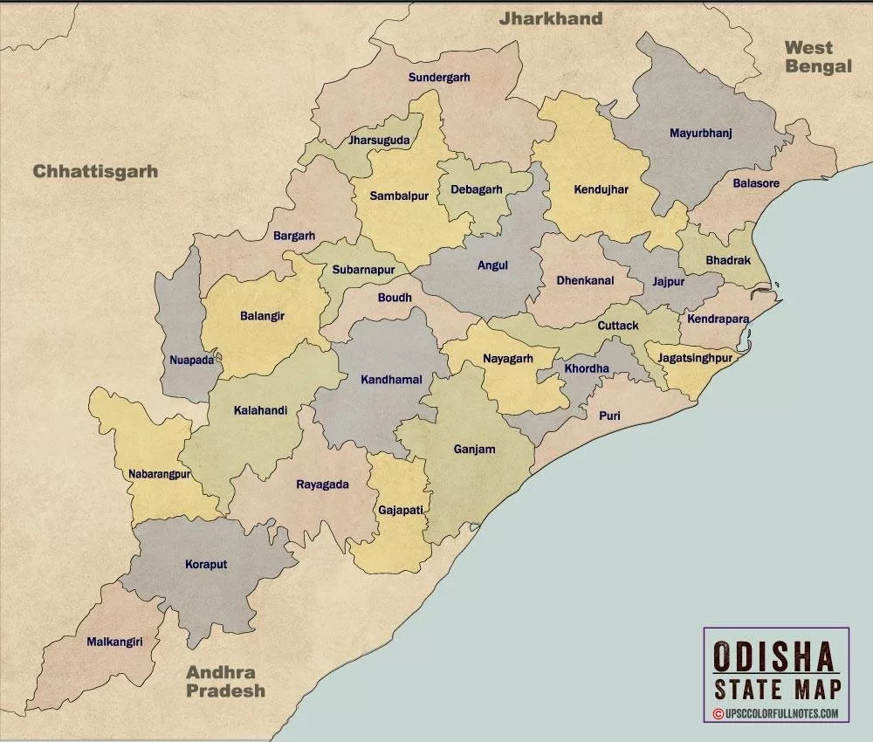
BEST PERFORMERS IN ODISHA
TOP 14 OF MP CANDIDATES VIA MARGIN
 | Total
ANANTA NAYAK | 97042
ANITA SUBHADARSHINI | 99974
AVIMANYU SETHI | 91544
BALABHADRA MAJHI | 87536
DHARMENDRA PRADHAN | 119836
DR. PRADEEP KUMAR PANIGRAHY | 165476
JUAL ORAM | 138808
MALVIKA DEVI | 133813
NABA CHARAN MAJHI | 219334
PRADEEP PUROHIT | 251667
PRATAP CHANDRA SARANGI | 147156
SAMBIT PATRA | 104709
SANGEETA KUMARI SINGH DEO | 132664
SAPTAGIRI SANKAR ULAKA | 147744
TOP 10 OF MLA CANDIDATES VIA MARGIN
 | Total
AKHILA CHANDRA NAIK | 37979
BISWA RANJAN MALLICK | 51465
DR. KRUSHNA CHANDRA MAHAPATRA | 33270
DURGA PRASAN NAYAK | 33526
GANESH RAM SINGKHUNTIA | 34667
GANESWAR BEHERA | 35418
PRADIP KUMAR SAHU | 47814
SANATAN BIJULI | 37387
SANATAN MAHAKUD | 39994
SANJALI MURMU | 34476

ARUNACHALPRADESH DASHBOARD
ARUNACHAL PRADESH - PARTY WISE VOTE SHARE (MLA&MP)

Arunachal pradesh -party wise vote count(MLA)
 | Total
Bharatiya Janata Party - BJP | 46
Independent - IND | 3
Indian National Congress - INC | 1
National People's Party - NPEP | 5
Nationalist Congress Party - NCP | 3
People's Party of Arunachal - PPA | 2
Arunachal pradesh -party wise vote count(MP)
 | Total
Bharatiya Janata Party - BJP | 2
Independent - IND | 0
Indian National Congress - INC | 0
National People's Party - NPEP | 0
Nationalist Congress Party - NCP | 0
People's Party of Arunachal - PPA | 0

Arunachal pradesh-party wise vote share(MP)
 | Total
Bharatiya Janata Party - BJP | 48.87%
Independent - IND | 19.77%
Indian National Congress - INC | 30.37%
National People's Party - NPEP | 0.00%
Nationalist Congress Party - NCP | 0.00%
People's Party of Arunachal - PPA | 0.00%
Arunachal pradesh-party wise vote share(MLA)
 | Total
Bharatiya Janata Party - BJP | 54.57%
Independent - IND | 5.26%
Indian National Congress - INC | 5.56%
National People's Party - NPEP | 16.11%
Nationalist Congress Party - NCP | 10.43%
People's Party of Arunachal - PPA | 7.24%

Best performer of ARUNACHAL PRA
BEST PERFORMERS IN ARUNACHAL PRADESH

TOP 10 OF MLA CANDIDATES VIA MARGIN
 | Total
BALO RAJA | 5040
CHAU ZINGNU NAMCHOOM | 8556
EALING TALLANG | 5600
HAYENG MANGFI | 6685
HONCHUN NGANDAM | 4662
KAMLUNG MOSANG | 3127
KENTO JINI | 3158
NINONG ERING | 2871
PANI TARAM | 10550
ROTOM TEBIN | 2934
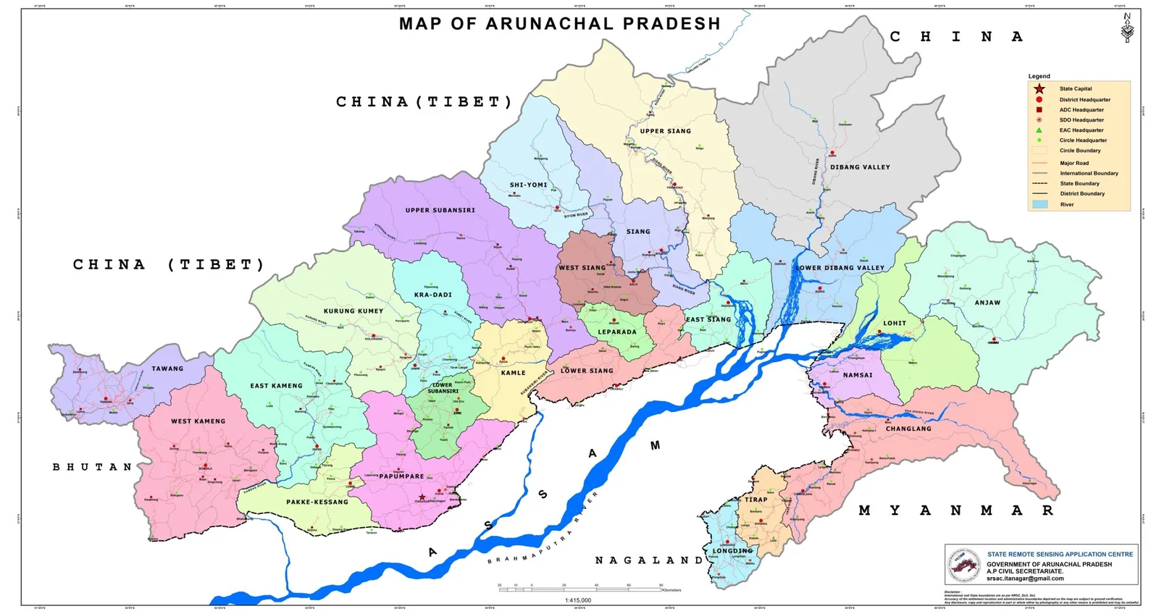
TOP 1 OF MP CANDIDATES VIA MARGIN
 | Total
KIREN RIJIJU | 0
TAPIR GAO | 30421

SIKKIM DASHBOARD
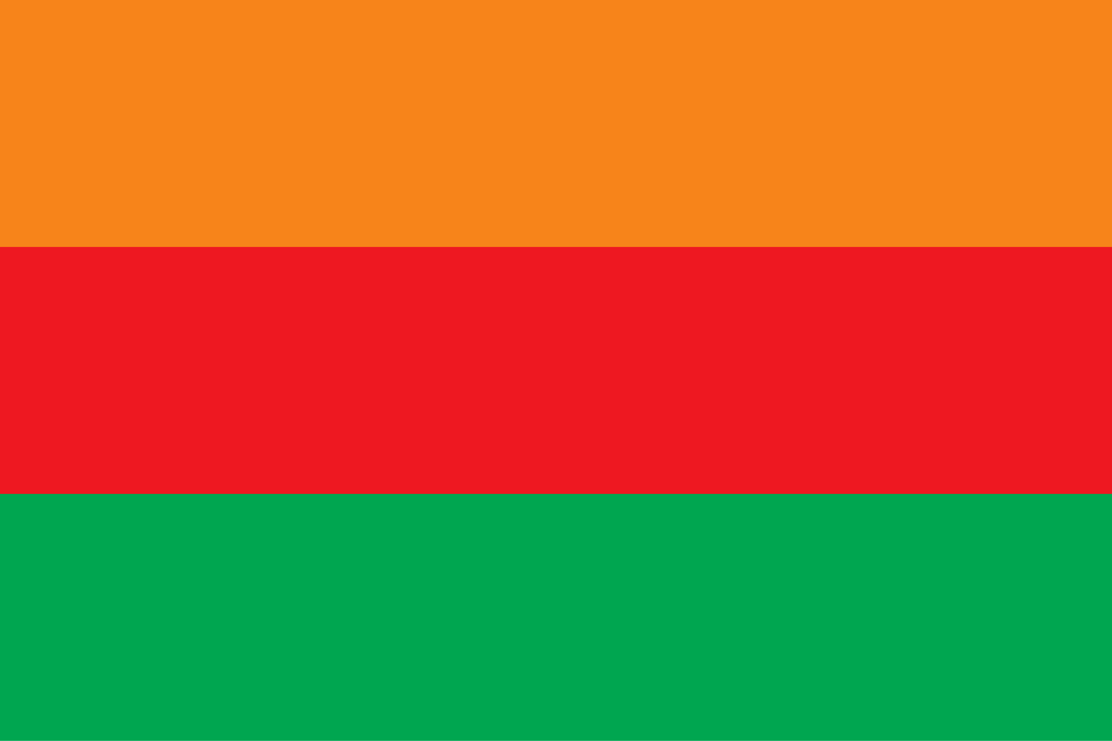
SIKKIM - PARTY WISE VOTE SHARE (MLA&MP)

Sikkim -party wise vote count(MLA)
 | Total
Sikkim Democratic Front - SDF | 1
Sikkim Krantikari Morcha - SKM | 31
sikkim -party wise vote count(MP)
 | Total
Sikkim Democratic Front - SDF | 20.46%
Sikkim Krantikari Morcha - SKM | 42.52%

Sikkim-party wise vote share(MLA)
 | Total
Sikkim Democratic Front - SDF | 27.37%
Sikkim Krantikari Morcha - SKM | 58.38%
Sikkim-party wise vote share(MP)
 | Total
Sikkim Democratic Front - SDF | 0
Sikkim Krantikari Morcha - SKM | 1

top
BEST PERFORMERS IN SIKKIM

TOP 10 OF MLA CANDIDATES VIA MARGIN
 | Total
ERUNG TENZING LEPCHA | 6400
KRISHNA KUMARI RAI | 5302
MINGMA NORBU SHERPA | 5975
P S TAMANG | 14440
PINTSO NAMGYAL LEPCHA | 5007
RIKSHAL DORJEE BHUTIA | 4346
SANJEET KHAREL | 5605
SUDESH KUMAR SUBBA | 6039
TSHERING THENDUP BHUTIA | 4812
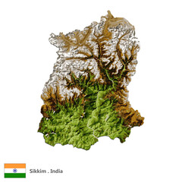
TOP 1 OF MP CANDIDATES VIA MARGIN
 | Total
INDRA HANG SUBBA | 80830

